Photo supplies
 | YELLOW | ORANGE | PINK | RED | GREEN | BLUE | PURPLE | BLACK |  | INSIDE
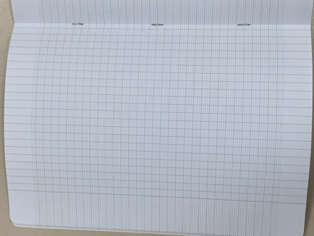
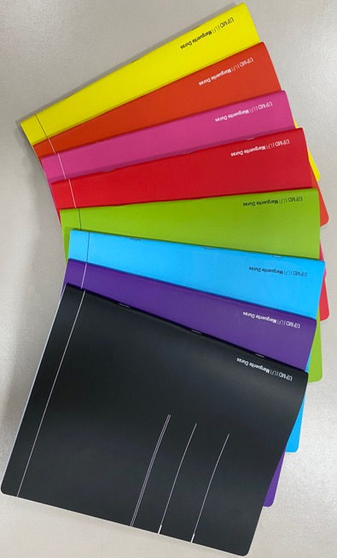

Notebook large size

Format 22.5cm X 30.5cm
96pages

 |  | YELLO | GREEN | RED | BLACK |  |  |  | INSIDE
Replenishment !
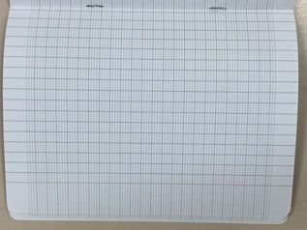
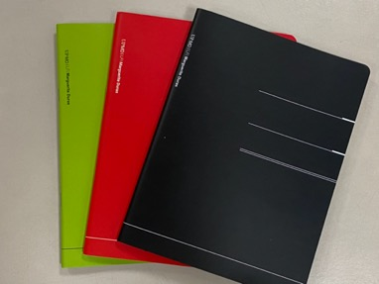

Notebook small size

Format 17cm X 22cm
96pages

 |  |  |  |  |  |  |  |  | INSIDE

Notebook large size spiral small tile |  |  | Priority given to secondary: Lycéens and Collégiens

Format 22.5cm X 30.5cm
96pages

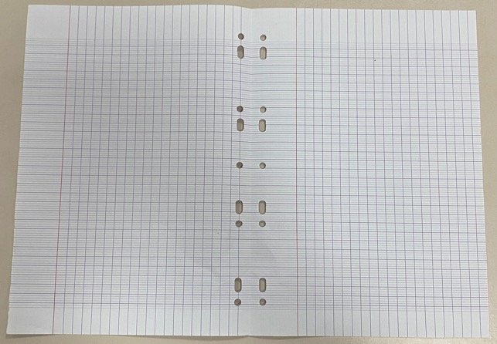
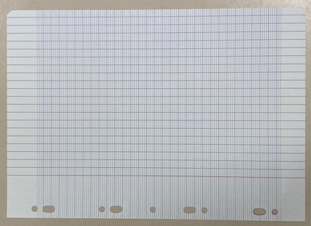

Double sheet
large tiles Seyes

Simple sheet A4
large tiles Seyes

SHEETS

Format A4
both side printed

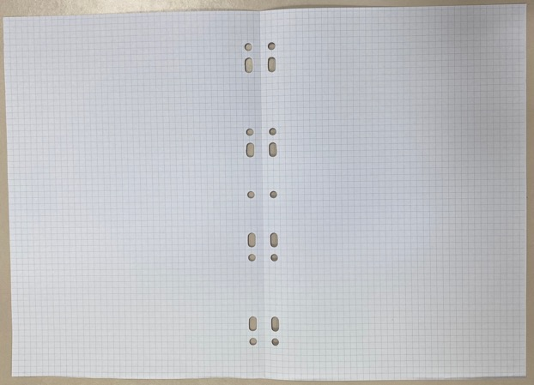

Simple sheet A4
small tiles
Double sheet
small tiles

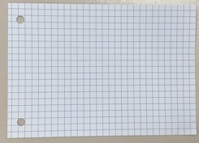
Large format = A4
small tiles
Bristol sheet

thick paper
Format A4
both side printed

Small format = A6 small tiles

Chinese Sheet

LVB Chinese

Format A4
both side printed

